Sheet1
Compartibity Tests using Mozilla Firefox, Chrome and Internet Explorer(Edge) | Write a Test case for Quickteller Forgot password feature

 |  |  | Chrome |  |  | Mozilla Firefox |  |  | Internet Explorer
 |  |  | Total Test cases | 10 |  | Test cases | 10 |  | Test cases | 10
 |  |  | Total Passed | 7 |  | Total Passed | 7 |  | Total Passed | 6
 |  |  | Total Failed | 3 |  | Total Failed | 3 |  | Total Failed | 3
 |  |  | Not executed | 0 |  | Not executed | 0 |  | Not executed | 1

 | Summary: The Forgot password feature of Quickteller.com was tested on three different browsres and the results are as follows.
 | : Chrome 66.7% passed while 33.3% failed; Mozilla Firefox 66.7% passed and 33.3% failed; Internet Explorer 55.6% passed, 33.3% failed, 11.1% were not executed.

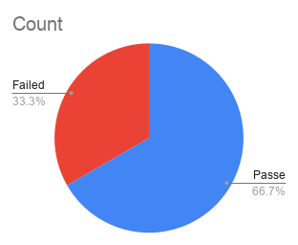
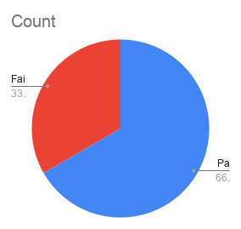
 |  |  |  |  |  |  |  | Status
 |  |  |  |  |  |  |  |  |  |  |  |  |  | Chrome | Mozilla Firefox | Internet Explorer
 |  |  |  |  |  |  | Chrome | Mozilla Firefox | Internet Explorer
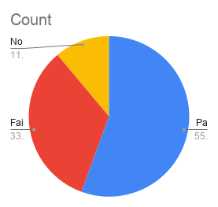
Test Suite ID | Test Case ID | Test Case Description | Test Steps | Test Data | Expected Results | Actual Results |  |  |  | Cycle 2 | Comments | Created by | Created Date
Feature name: Forgot Password
 | TC 01 | Verify that user can receive a password reset after inputting a valid email | Input registered email: badeloye@gmail.com | Quickteller url: Quickteller.com valid phone number: 0803......... valid name: Abidemi Adeloye invalid password:mmallxx valid email: badeloye@gmail.com | -A password reset email is sent to user's valid email with a link to login | Password reset was successful | Passed | Passed | Passed |  | None | Abidemi Adeloye | 04/10/2024
 | TC 02 | Verify that user cannot use an unregistered email and forgot password feature to receive the link | Input an unregistered email: gggbada45@yahoo.com -Leave password blank -Click on forgot password | Quickteller url: Quickteller.com valid phone number: 0803...... valid name: Abidemi Adeloye password: Blank unregistered email: ggggbada45@yahoo.com | An error mesage is displayed indicating that "Email address is not found" -Please enter a valid email address | Forgot password reset not successful | Passed | Passed | Passed |  | None | Abidemi Adeloye | 04/10/2024
 | TC 03 | Verify that user can use an empty email field to be able to access account using the forgot password | Leave email field blank -Leave password blank -Click on forgot password | Quickteller url: Quickteller.com valid phone number: 0803........ valid name: Abidemi Adeloye password: blank email: blank | An error mesage is displayed "Please enter your email address" | Forgot password reset not successful | Failed | Failed | Failed |  | None | Abidemi Adeloye | 04/10/2024
 |  | Verify that user cannot use an empty email address field to able to access account using the forgot password
 | TC 04 | Verify that user can send multiple requests for a forgot password reset | -Input valid email: badeloye@gmail.com - Use the email to request for forgot password reset multiple times | Quickteller url: Quickteller.com valid phone number: 0803....... valid name: Abidemi Adeloye password: blank Valid email:badeloye@gmail.com | User receives only one password reset or a mesage that a email has already been sent | Forgot password reset successful | Passed | Passed | Not executed |  | None | Abidemi Adeloye | 04/10/2024
 | TC 05 | Verify that user cannot use the forgot password reset link after it expires | -Input valid email: badeloye@gmail.com -Leave password blank - Use the email to request for forgot password reset link -Link is sent to the email -Click on the link after it expires | Quickteller url: Quickteller.com valid phone number: 0803......... valid name: Abidemi Adeloye password: blank Valid email:badeloye@gmail.com | User receives a message indicating that the link has expired and is prompted to request for a new one. | Forgot password reset not successful | Passed | Passed | Passed |  | None | Abidemi Adeloye | 04/10/2024
 | TC 06 | Verify that user can use the forgot password link to reset the account's password | -Input valid email: anna@yahoo.com -Leave password blank - Use the email to request for forgot password reset link -Link is sent to the email -Click on the link to reset the password - Input a new valid password | Quickteller url: Quickteller.com valid phone number: 0803......... valid name: Abidemi Adeloye password: Blank Valid email:badeloye@gmail.com | User sucessfully logs in with the new password using the reset code sent to user's email | Forgot password reset successful | Passed | Passed | Passed |  | None | Abidemi Adeloye | 04/10/2024
 | TC 07 | Verify that user can login by inputting two different new passwords during the reset process | -Input valid email: badeloye@gmail.com -Leave password blank - Use the email to request for forgot password reset link -Link is sent to the email -Click on the link to reset the password - Input two different new passwords | Quickteller url: Quickteller.com valid phone number: 0803............ valid name: Abidemi Adeloye password: xxxxxxxx confirm password:bnv214&ax Valid email:badeloye@gmail.com | An error mesage is displayed indicating that the passwords do not match | Forgot password reset not successful | Failed | Failed | Failed |  | None | Abidemi Adeloye | 04/10/2024
 | TC 08 | Verify that user can reset the account by inputting a weak password | -Input valid email: badeloye@gmail.com - Use the email to request for forgot password reset link -Link is sent to the email -Click on the link to reset the password - Input a weak (short) password | Quickteller url: Quickteller.com valid phone number: 0803...... valid name: Abidemi Adeloye password: Wu24 Valid email:badeloye@gmail.com | An error mesage is displayed indicating that the password must meet the specified criteria | Forgot password reset not successful | Failed | Failed | Failed |  | None | Abidemi Adeloye | 04/10/2024
 | TC 09 | Verify that user cannot reset the password using the forgot password link without answering a security question | -Input valid email: badeloye@gmail.com - Use the email to request for forgot password reset link -Link is sent to the email -Click on the link to reset the password - Input a valid password -Answer the security question | Quickteller url: Quickteller.com valid phone number: 0803...... valid name: Abidemi Adeloye password:xxxxxxxx Valid email:badeloye@gmail.com Security question: What is your mother's maiden name | User is granted access on giving the correct answer | Forgot password reset successful | Passed | Passed | Passed |  | None | Abidemi Adeloye | 04/10/2024
 | TC 10 | Verify that user can use an email with special characters to request for "forgot password" reset | -Input email with special charactersl: bade&#@gmail.com - Use the email to request for forgot password reset link -Link is sent to the email -Click on the link to reset the password - Input a new valid password | Quickteller url: Quickteller.com valid phone number: 08034534589 valid name: Bada Goke New password:Got7614_qat : Valid email:bada@#21@yahoo.com | A password reset email is sent successfully | Forgot password reset successful | Passed | Passed | Passed |  | None | Abidemi Adeloye | 04/10/2024

